1. Title Page
Grocery Basket Analysis

Project Name: Grocery Basket Analysis
Date: April 2023
Analyst Name: Mindy Dong

Contents:
Population Flow
Consistency checks
Wrangling steps
Column derivations
Visualizations
Recommendations

“The Instacart Online Grocery Shopping Dataset
2017”, Accessed from https://www.instacart.com/datasets/grocery-shopping-2017 on
4/1/2023.

2. Population Flow
Title page

Population flow

Exclusion flag
Condition: max_order <
Obervations to be removed:
Final total count of order_products_all:

Orders_products_combined
Orders_products_merged
Orders_products_all

Total: 32434212
Total: 32434489
Total: 30992664

1.) The grey boxes in the first row of the population flow represent the original data sets as they were when you downloaded them. In the Total fields you need to add the count of the rows when you imported the data set into Jupyter.
2.) The second row of boxes (coloured) represents the data sets after you manipulated them, e.g., removed missing values and duplicates. In the Total fields you need to add the count of the rows after conducting these operations. This offers a visual oveview of how the data flows throughout the data consistency checks.
3.) The third row, where also the arrows are coloured, represents the merges you performed between the datasets. In the Total fields you need to add the count of the rows in the merged datasets, so that you end up with the final dataset (in the red box). Keep in mind the final dataset should be without exclusions (based on the exclusion flag).

3. Consistency checks
 |  |  |  | Title page
Consistency checks

Dataset | Missing values | Missing values treatment | Duplicates
orders | days_since_prior_orders | no treatment | no duplicates
products | product name | removed | 5 duplicates removed
orders_products_prior | no missing values |  | no duplicates
customers | first_name | removed | no duplicates

4. Wrangling steps
 |  |  |  | Title page
Wrangling steps

Columns dropped | Columns renamed | Columns' type changed | Comment/Reason
eval_set |  |  | not needed
first_name |  |  | PII
last_name |  |  | PII
unnamed:0 |  |  | extra index column
unnamed:01 |  |  | extra index column

 | order_dow to orders_day_of_week |  | clarity
 | days_since_prior order to days_since_last_order |  | clarity
 | fam_status to marital_status |  | clarity
 | n_dependants to number_dependents |  | clarity and spelling
 | STATE to state |  | consistency

 |  | order_id changed to string
 |  | user_id changed to string

5. Column derivations
 |  |  |  | Title page

Column derivations and aggregations

In this tab you should add tables below that the frequences of flags/label variables that you produced after deriving them. NB: don't do this for continuous variables, only for flags.
Dataset | New column | Column/s it was derived from | Conditions
orders_products_merged | busiest_day | orders_day_of_week | if value = 0 then busiest day if value = 4, least busy all else = regularly busy
orders_products_merged | busiest_period_of_day | order_hour_of_day | if value = 10, 11, 14, 15, 13, 12, 16, 9 then most orders if value = 23, 6, 0, 1, 5, 2, 4, 3, then fewest orders all other values = average orders
orders_products_merged | loyalty_flag | max_order | if value > 40, then loyal customer if value <= 40, then regular customer if value <= 10, then new customer
 | spender_flag | avg_spend | if value < 10, then low spender if value > 10, then high spender
 | order_frequency_flag | order_frequency | if value > 20, then non-frequent customer if value > 10 & <=20, then regular customer if value >= 10, then frequency customer
 | activity_level | max_order | if value < 5, then activity level = Y (low activity) if value >=5, then activity level= N (regular activity)
 | income_level | income | if value < 52200, then Low income if value >=52200 & <=156600, then middle income if value >1546600, then high income
 | region | state | if state in ['Maine', 'New Hampshire', 'Vermont', 'Massachusetts', 'Rhode Island', 'Connecticut', 'New York', 'Pennsylvania', 'New Jersey']: region.append('Northeast') elif state in ['Wisconsin', 'Michigan', 'Illinois', 'Indiana', 'Ohio', 'North Dakota', 'South Dakota', 'Nebraska', 'Kansas', 'Minnesota', 'Iowa', 'Missouri']: region.append('Midwest') elif state in ['Idaho', 'Montana', 'Wyoming', 'Nevada', 'Utah', 'Colorado', 'Arizona', 'New Mexico', 'Alaska', 'Washington', 'Oregon', 'California', 'Hawaii']: region.append ('West') elif state in ['Delaware', 'Maryland', 'District of Columbia', 'Virginia', 'West Virginia', 'North Carolina', 'South Carolina', 'Georgia', 'Florida', 'Kentucky', 'Tennessee', 'Mississippi', 'Alabama', 'Oklahoma', 'Texas', 'Arkansas', 'Louisiana']: region.append ('South') else: region.append ('NaN')
 | generation | age | if age >=18 & <27, then Gen Z if age >=27 & <43, then Millenial if age >=59 & <78, then Boomer if age>=78 & <96, then Post War
 | price_range_loc | prices | if price >15, then high range product if price <= 15 and >5, then mid range product if price <=5, then low range product

6. Visualizations
 |  |  |  |  |  |  |  |  | Title page

Visualisations

 | 1.What are the busiest days and hours?

Busiest Days
Day of Week

Busiest Hours
Hour of Day

 |  |  |  | Comment: Busiest hours were between 9am and 6pm.
 | Comment: The busiest days are Saturday and Sunday.

 | 2. What time do people spend the most money? |  |  |  | 3. Simplified product price ranges. If price >15, then high range product. If price <= 15 and >5, then mid range product. If price <=5, then low range product.
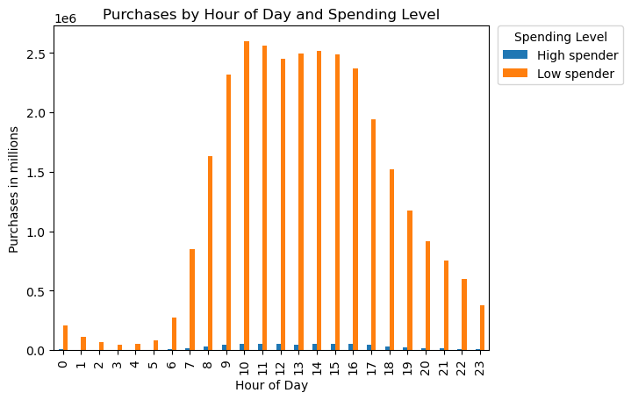
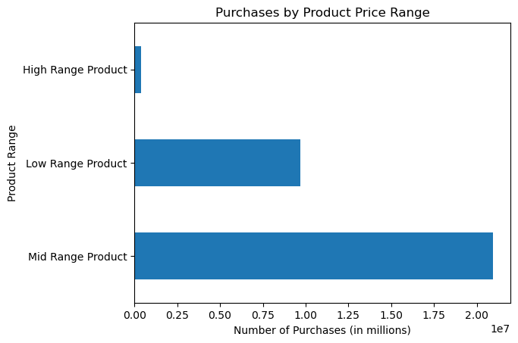

 | Comment: Both high and low spenders make the most purchases between 9am and 6pm.

 |  |  |  |  |  |  |  | Comment: Most customers are purchasing mid-range products.

 | 4. Which products are more customers buying?
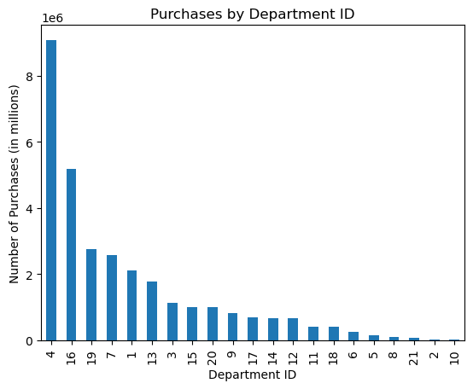

 | Comment: Most customers are purchasing from Department 4, produce.

 | 5a. Addressing brand loyalty
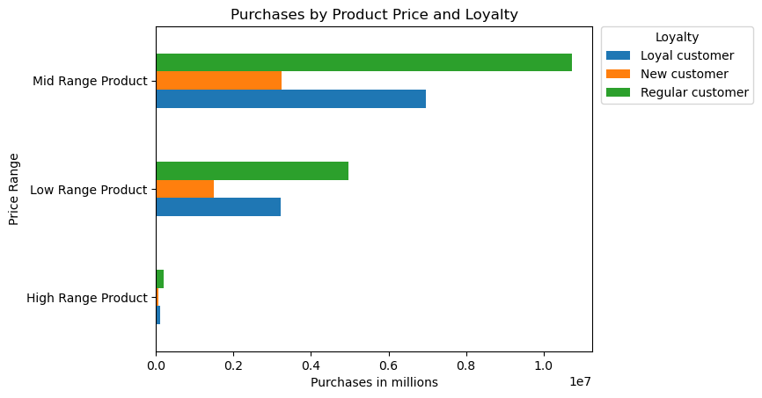
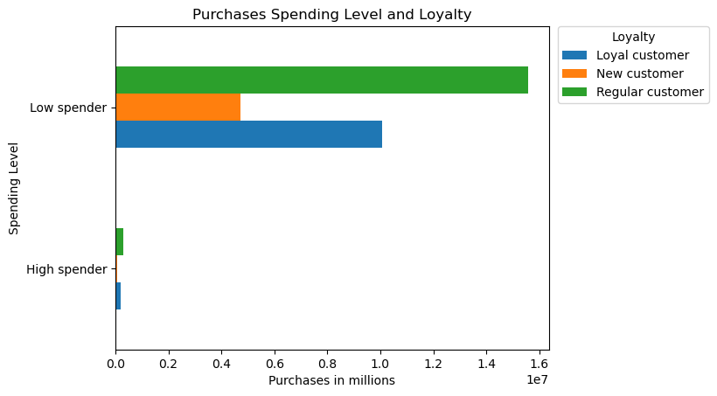

 |  |  |  |  |  |  | Comment: All customers are purchasing mid- and low-range products.
 | Comment: All customers are at the low spending level.
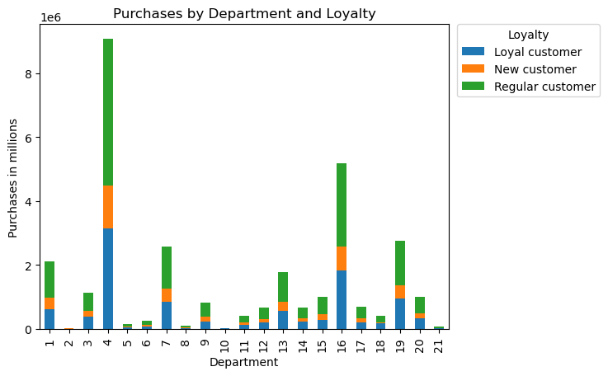
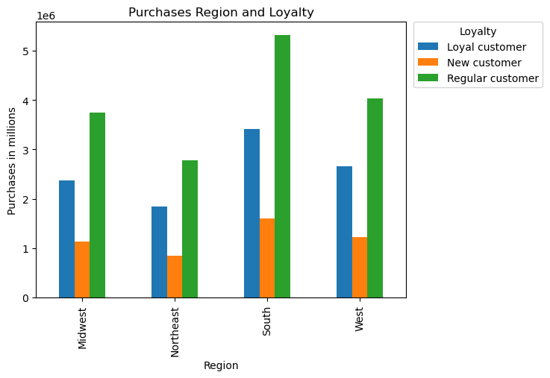

 |  |  |  |  |  |  | Comment: Most customers are purchasing from Department 4, produce. Overall, there is not much of a difference in the profile between loyal customers and regular customers.

 |  | Comment: Most customers live in the South and Western reagions of the US

 | 5c . Addressing possible regional differences
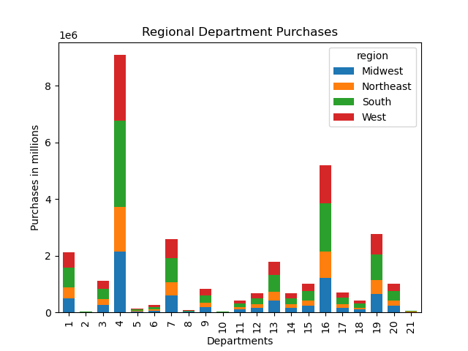

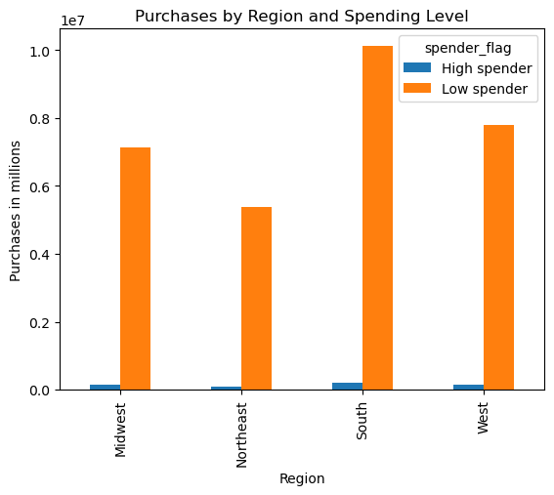

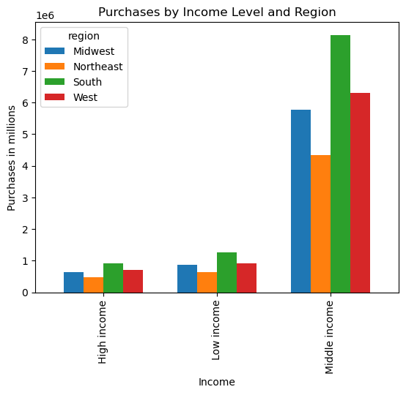
 |  | Comments: There is not a significant difference between regions; most customers are still purchasing from produce, regardless of region
 |  |  |  |  |  | Comments: The majority of customers are low spenders and region does not play a sgnificant role in determining spending level.

 |  | Comment: Most customers fall into the middle income range and still follow the population distribution with the majority of customers living in the South and West

5d. Age and Marital Status
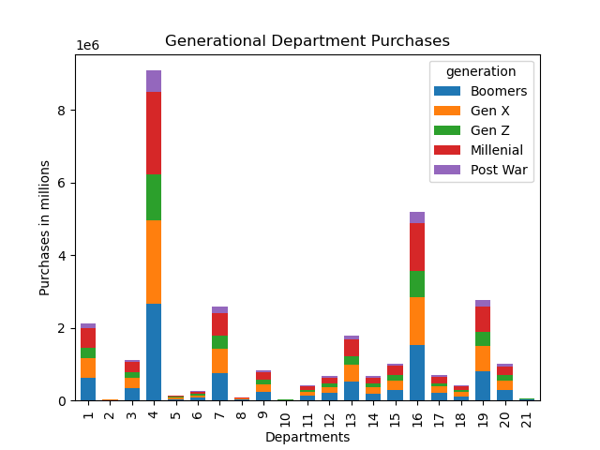
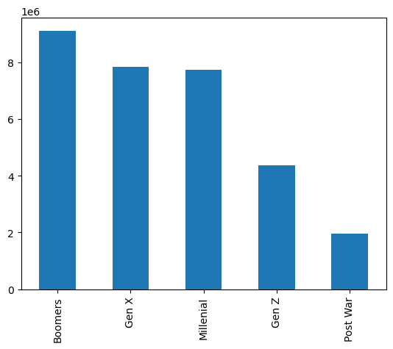

 | Comment: number of purchases by generation and department.
 |  |  | Comment: number of purchases by generation. Customer base is mostly made up of Boomers, Gen X and Millenials.

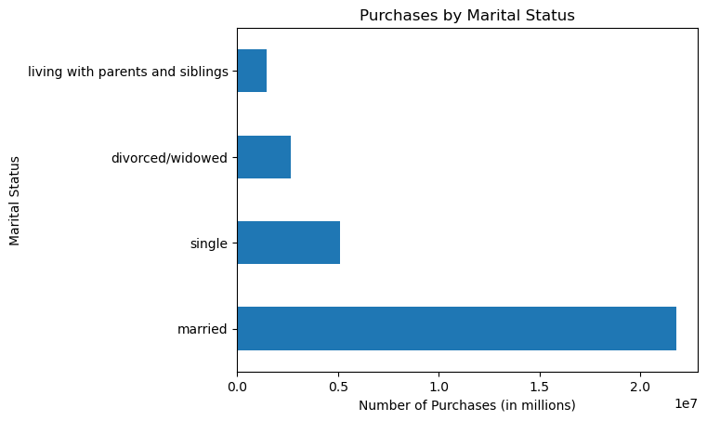
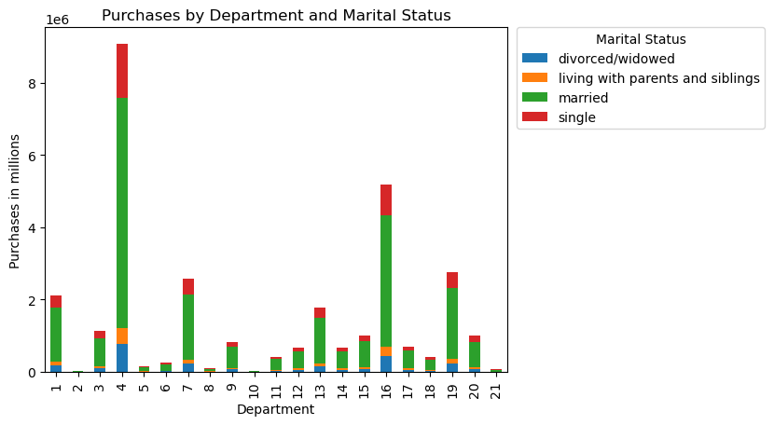

 |  | Comment: Majority of purchases were made by married customers
 |  |  |  |  |  | Comment: Married customers purchase far more items from each department than any other marital status
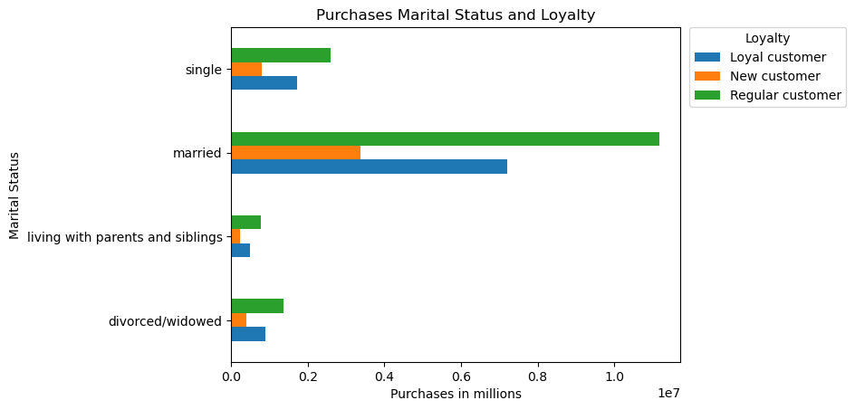
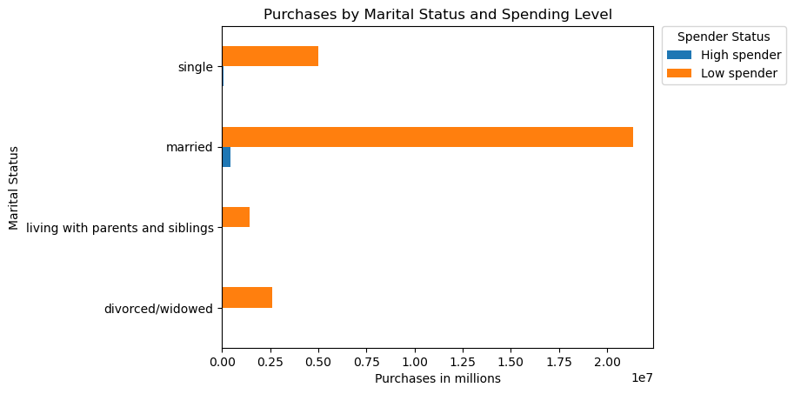

 |  | Comment: Married customers were more likely to be loyal and regular customers
 |  |  |  |  |  |  | Comment: Customers tend to be low spenders overall, but high spenders are more likely to be married

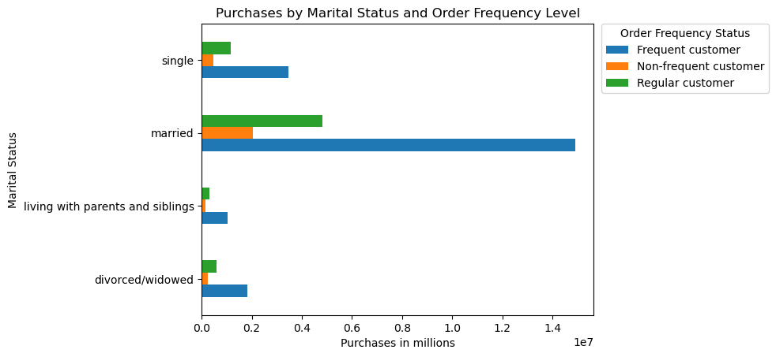
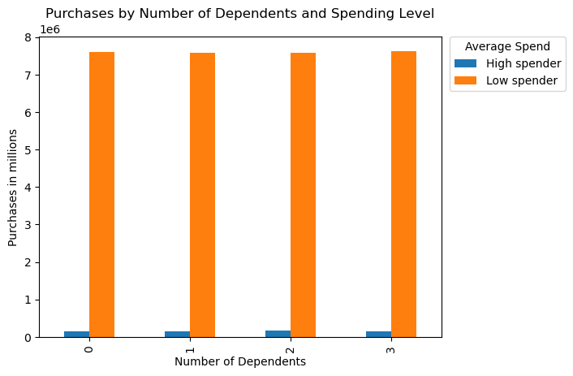

 |  | Comment: Married customers are also more likely to be frequent and regular customers

 |  |  |  |  |  |  | Comment: number of dependents does not make a difference in spending level.

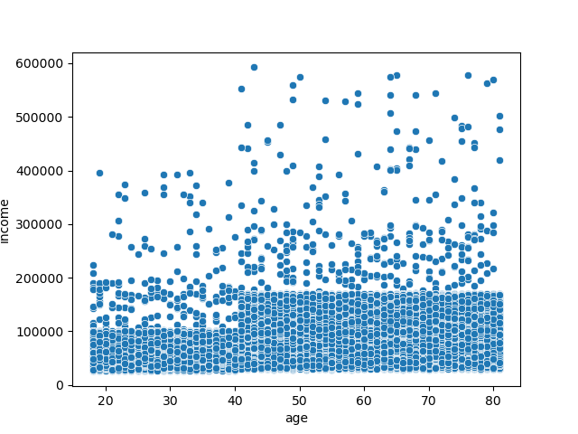

 |  | Comment: Age vs income level

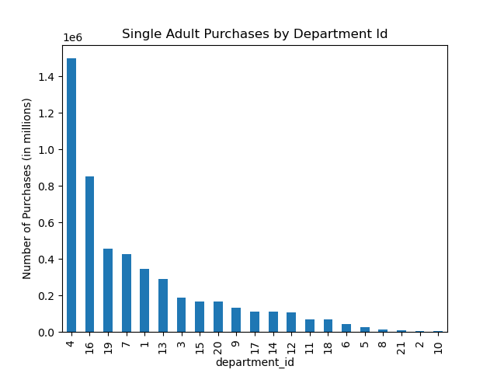


 | Comment: Profiling single adults with no dependents. Single adults were purchasing more from produce, dairy/egg, and snacks.
 |  |  |  |  |  | Comment: Single adults are also purchasing mostly on the weekend.

7. Recommendations
 |  |  | Title page

Recommendations

In this tab you should include any recommendations you would made to Instcart in terms of their marketing strategy based on the questions posed in the brief. Every key question has been covered in the Tasks of the Exercises - here you need to add an item - a visualisation or table/crosstable that is showing the answer in the data, acompanied by a comment from you. Please, list the questions below and add the answer underneath.

1. What are the busiest days of the week and hours of the day?

Busiest Hours
Hour of Day

The busiest days of the week are Saturday and Sunday and the busiest hours are between 9am and 6pm.

2. When are people spending the most money?

Customers are spending the most money between 9am and 6pm.

3. Simplified price ranges for products. If price >15, then high range product. If price <= 15 and >5, then mid range product. If price <=5, then low range product.

Customers are purchasing mostly mid-range products.

4. Which products are more customers buying?

Customers are buying mostly from Department 4, produce.

5a. Distribution among users in regards to brand loyalty

 | Loyal and regular customers are purchasing from produce, dairy/egg, and snacks. There are more loyal customers in the South and West than any other region.

5b. Ordering habits based on a customer's region
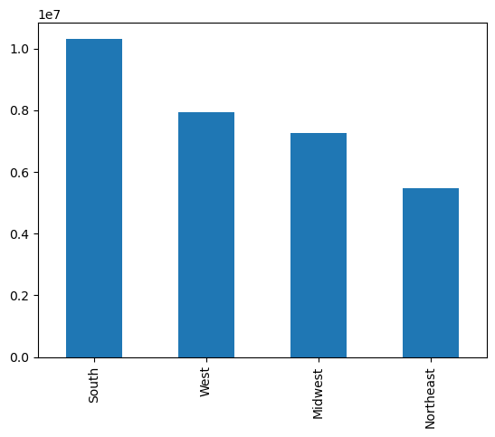



Again, we see that most customers live in the Southern and Western regions. They are purchasing more from produce, dairy/eggs, and snacks. Most customers are low spenders, and region does not play a significant role. Customers also belong mostly to the middle income level, showing the same distribution

5c. Is there a connection between age and family status in terms of ordering habits?

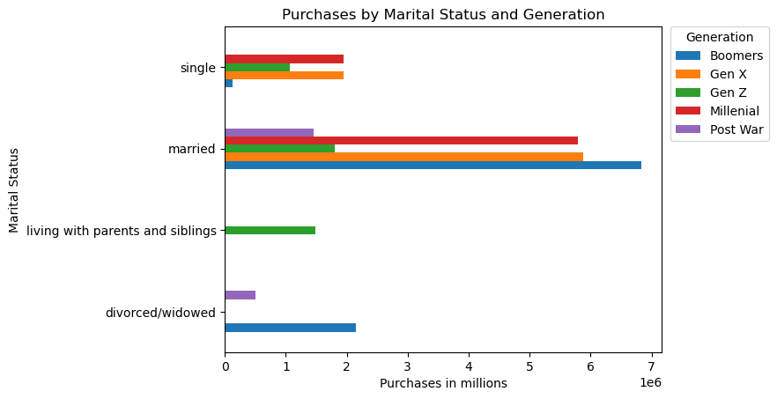

 | Following similar patterns, the majority of customers are from the Boomer and Gen X generations. Most of customers in these age groups are married and most frequent and loyal customers are married. High spenders are also more likely to be married than any other family status.

Single adult with no dependents profile
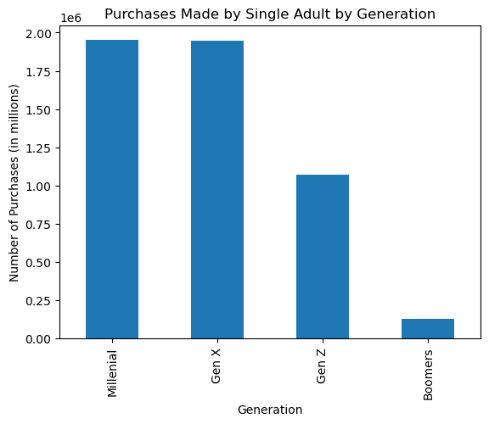
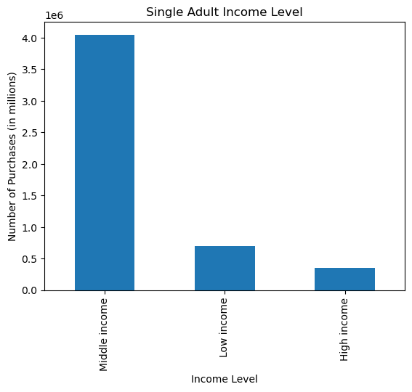

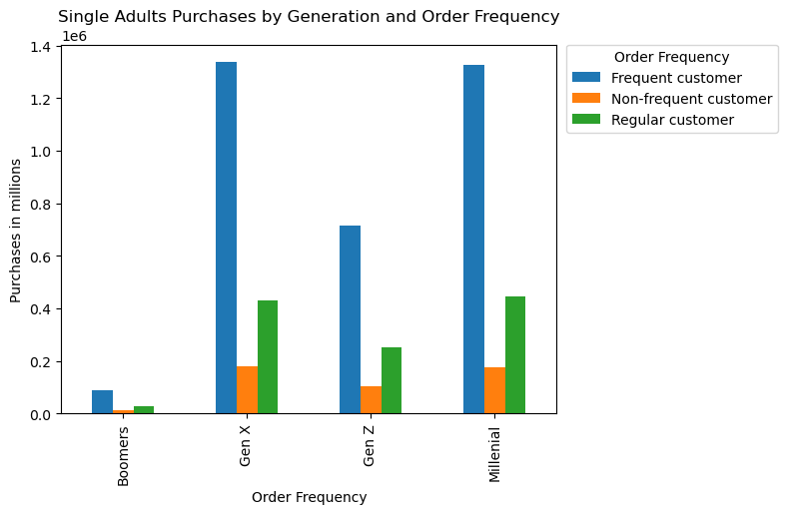

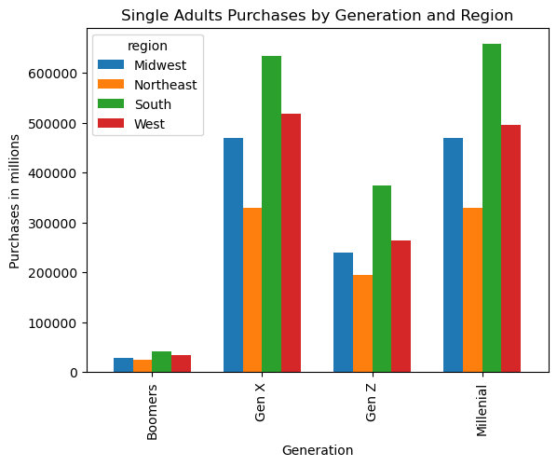


Single Adult Purchases by Hour of Day

 |  | Following the general population, single adults are making most of their purchases between 9am and 6pm.

 | Recommendations
 | Continue catering towards married adults in the middle income level, but increase marketing towards single adults in the Gen X and Millenial age groups, with no dependents to capture that base. Single adults are also buying more bananas and organic whole milk. Perhaps running specials on produce and dairy/eggs during a weekday between 9am and 6pm would be beneficial.

